Sheet1
DATE | INV NO. | DESCRIPTIONS | AMOUNT | BILLS | PRICE | SUBTOTAL | TOTAL
10-Dec-2025 | DW/68/007 | APEROL | 2 | 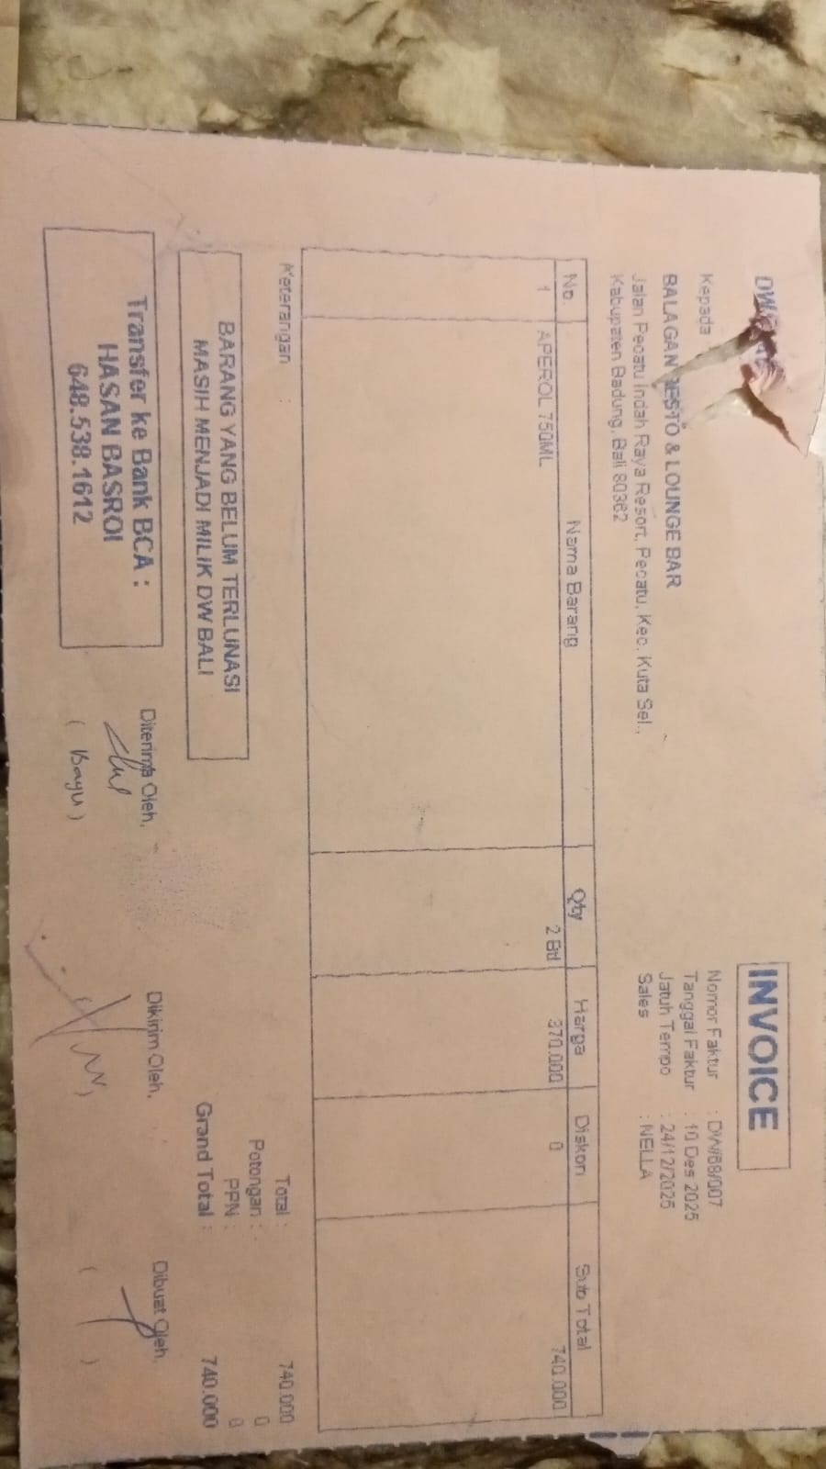 | Rp370,000 | Rp740,000 | Rp740,000
10-Dec-2025 | DW/68/001 | JIM BEAM WHITE 750ML | 4 | 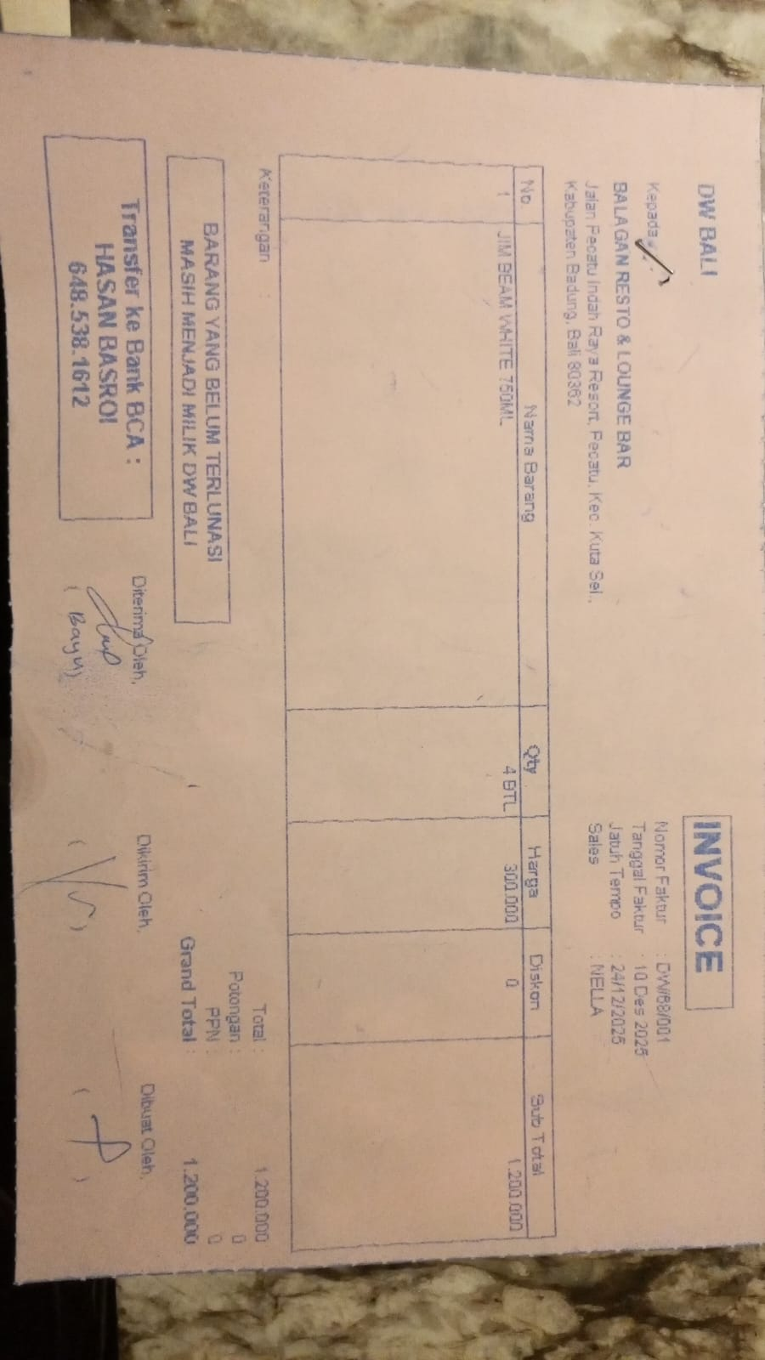 | Rp300,000 | Rp1,200,000 | Rp1,200,000
13-Dec-2025 | DW/68/179 | JIM BEAM BLACK 750ML | 1 | 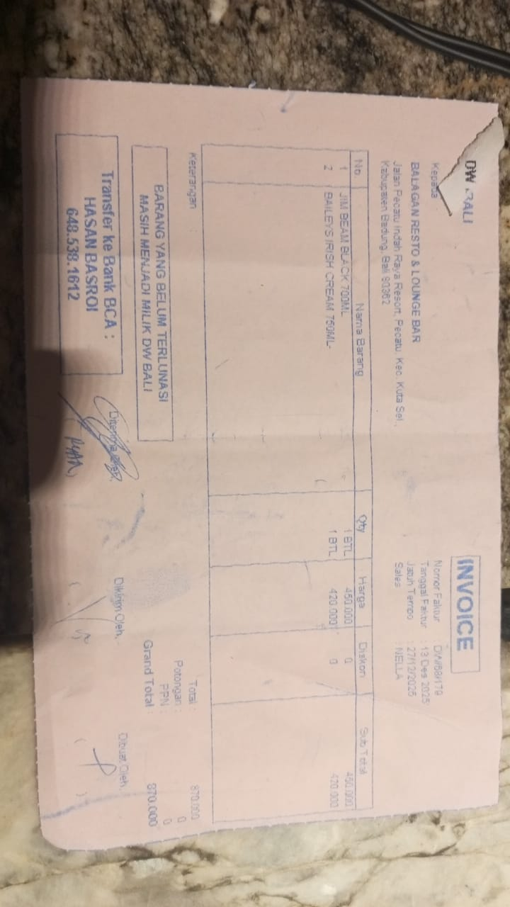 | Rp450,000 | Rp450,000 | Rp870,000
 |  | BAILEYS IRISH CREAM 750ML | 1 |  | Rp420,000 | Rp420,000
31-Dec-2026 | DW/69/668 | JOSE CUERVO REPOSADO 750ML | 10 |  | Rp360,000 | Rp3,600,000 | Rp9,255,000
 |  | CAMPARI MILANO 750ML | 3 |  | Rp435,000 | Rp1,305,000
 |  | JIM BEAM BLACK 750ML | 4 |  | Rp450,000 | Rp1,800,000
 |  | GREY GOOSE 750ML | 1 |  | Rp580,000 | Rp580,000
 |  | EL JIMADOR REPOSADO 750ML | 1 |  | Rp600,000 | Rp600,000
 |  | CODIGO BLANCO 750ML | 1 |  | Rp990,000 | Rp990,000
 |  | APEROL 700ML | 1 |  | Rp380,000 | Rp380,000

 |  |  |  |  |  | Rp-
GRAND TOTAL |  |  |  |  | Rp12,065,000

